Sheet1
 | Document No. |  | Issue No. | Issue Date |  |  | Review and Replace Date |  | Authorised By
 | GFF421MC |  | 1 | 23.11.2023 |  |  | New issue |  | Magda Shah
 | Document Title |  | PRM- 4 DUCK SPRING ROLLS 200G
Document amendments reason for change | New Document |  |  | Page 1 of 1 |  | Previous Issue Date |  | New issue | Uncontrolled copy unless signed original

CDSRM-R6TOK |  | GAZEBO-PRM | PRM-4 DUCK SPRING ROLLS 200G |

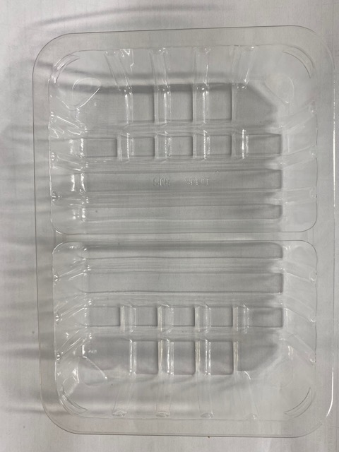 |  |  |  |  | 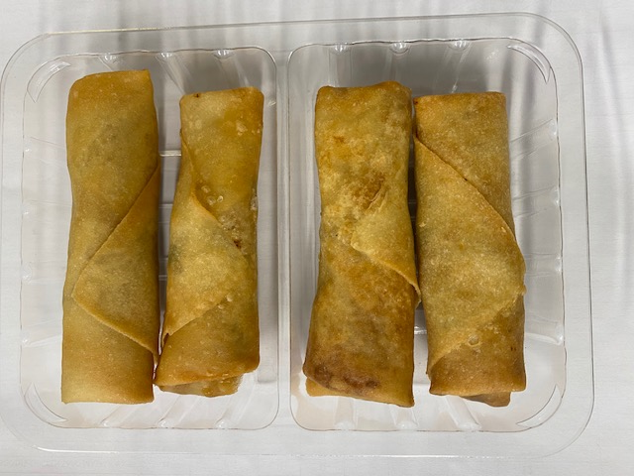

Tray: SK4 Split Clear (PKESS001-06) |  |  |  |  | 4 x Duck Spring Rolls (GFF452R) 50g
Film: K-peel 7G+25A/f-275mm (PKKMP001-03) |  |  |  |  | Total Weight: 200g
ALLERGY ALERT: WHEAT, MILK, SESAME, SOYA

